Head Backpacks
 |  | Backpacks

Item | Article | Description | Quantity | Total | RRP/UVP
 | HBK050-Navy | Head Day Backpacks Navy Size L38 x B36 x H15 | 735 | 735 | € 22.00 | 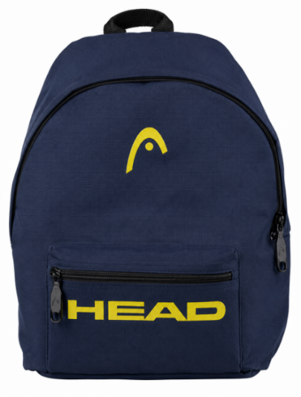 | 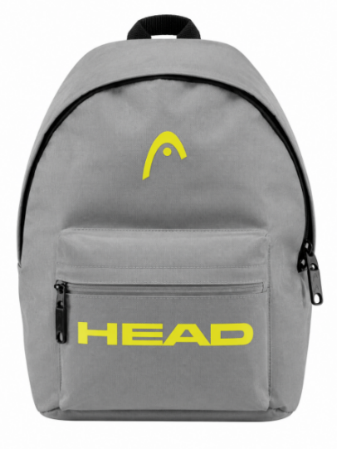
 | HBK050-Black | Head Day Backpacks Black Size L38 x B36 x H15 | 243 | 243 | € 22.00
 | HBK050-Grey | Head Day Backpacks Grey Size L38 x B36 x H15 | 541 | 541 | € 22.00 | 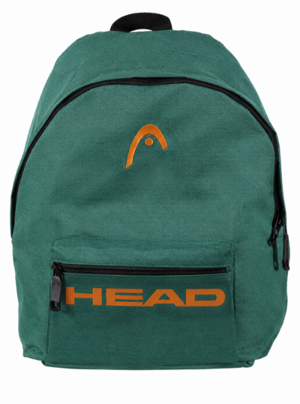 | 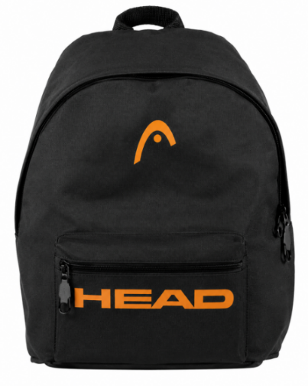
 | HBK050-Green | Head Day Backpacks Green Size L38 x B36 x H15 | 414 | 414 | € 22.00
 |  |  | Total | 1933

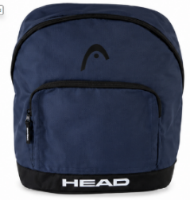 | HBK045-Navy | Head Backpack Unie Navy Size: 39cm x 29xm x 17cm | 700 | 700 | € 22.00 | 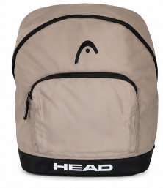 | 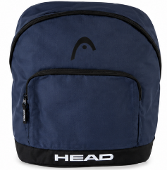
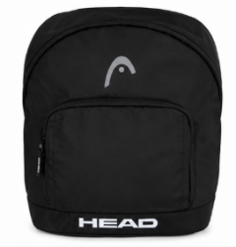 | HBK045-Black | Head Backpack Unie Black Size: 39cm x 29xm x 17cm | 406 | 406 | € 22.00
 | HBK045-Grey | Head Backpack Unie Grey Size: 39cm x 29xm x 17cm | 425 | 425 | € 22.00 | 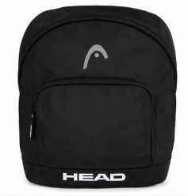 | 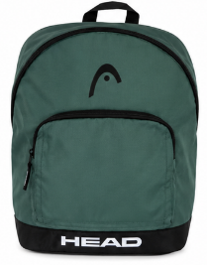
 | HBK045-Green | Head Backpack Unie Green Size: 39cm x 29xm x 17cm | 405 | 405 | € 22.00
 |  |  | Total | 1936

